Sheet1
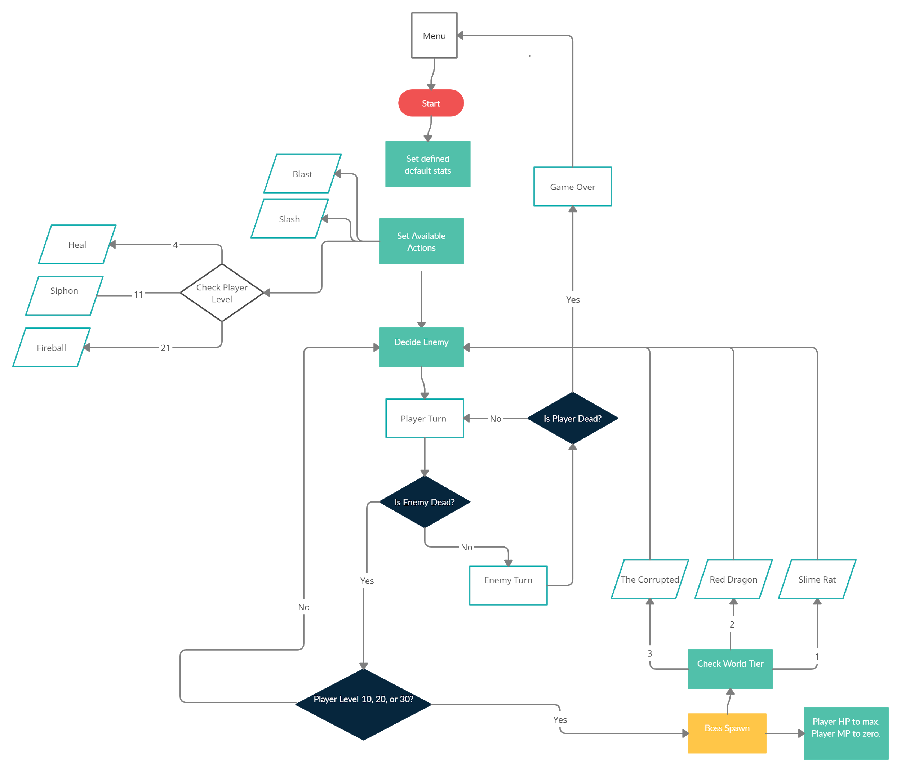
Tier 1
Bosses
 | Slime Rat | Red Dragon | The Corrupted | The Corrupted
HP | 100 | 250 | 1000
ATK | 10 | 12 | 10 | 10
CRIT% | 5 | 15 | 25 | 25
Tier 1 |  |  |  |  |  | Bosses
Name | Spider | Rat | Slime
HP | 20 | 30 | 40 |  |  | Name | Slime Rat | Red Dragon | The Corrupted |  | T1 - T2: | T2-T3:
ATK | 6 | 4 | 2 |  |  | HP | 100 | 250 | 1000 |  | 60% | 75%
CRIT% | 7 | 5 | 5 |  |  | ATK | 10 | 12 | 10 | 10 | 17% | 80%
 |  |  |  |  |  | CRIT% | 5 | 15 | 25 | 25

Spider
Rat
Slime
Tier 2
Name | Laveel | Snake Warrior | Cephalo
HP | 80 | 100 | 120
ATK | 12 | 10 | 8
CRIT% | 10 | 15 | 25

Laveel
Snake Warrior
Cephalo
Tier 3
Name | Shadow | Void Mage | Reaper
HP | 150 | 200 | 250
Tier 2
 | Laveel | Snake Warrior | Cephalo
HP | 80 | 100 | 120
ATK | 12 | 10 | 8
CRIT% | 10 | 15 | 25
ATK | 25 | 20 | 25
CRIT% | 25 | 50 | 10

Shadow
Void Mage
 | Void Mage
HP | 200
ATK | 20
CRIT% | 50
Reaper
Tier 1:
Avg HP: | 30
Avg ATK: | 4
Avg Crit: | 5.6666666667

Tier 2:
Avg HP: | 100 |  | % Increase: | 70%
Avg ATK: | 10 |  |  | 60%
Avg Crit: | 16.666666667 |  |  | 66%
 |  |  |  |  |  | Aspects:
Tier 3: |  |  |  |  |  | Mage | Increases max MP by 10. +10 mp on kill
Avg HP: | 200 |  | % Increase: | 50% |  | Knight | Increases max HP by 20. +15 hp on kill
Tier 3
Avg ATK: | 23.333333333 |  |  | 57% |  | Rogue | Access to Poison Action. Crit Chance triples. All damaging abilites can crit
Avg Crit: | 28.333333333 |  |  | 41% |  | Sentinel | Access to Block Action. All Heals do 50% more. All spells costs 50% less.
 |  | Enemies Killed:
T1: | 10 | T2: | 10 | T3:
 |  |  |  |  |  |  |  |  | 20.8
Player Level Calc: |  |  |  |  |  |  |  |  | 18.4 |  |  | DMG PER MP
XP | 350 |  | Calc LVL: | 19 |  | Fireball: | Lowest | Highest | AVG DMG: | Cost: | MIN | MAX | AVG
LVL: | 30 |  |  |  |  | Rogue: | 16 | 64 | 30.16 | 10 | 1.6 | 6.4 | 3.016
HP: |  | before tier 3: | 95 | after t3: | 143 | Sentinel: | 16 | 32 | 21.16 | 5 | 3.2 | 6.4 | 4.232
 | 100
 | MAX MP: | 25 |  | Slash: | 10 |  |  |  |  |  |  | DMG PER MP
 | AP: | 6 |  |  |  | Blast: | Lowest | Highest | AVG DMG: | Cost: | MIN | MAX | AVG | Heal:
 |  | Fireball: | 16 | Blast: | 12 | Rogue: | 12 | 24 | 17.4 | 2 | 6 | 12 | 8.7 | 5
 |  |  |  | HP Gain: | 4 | Sentinel: | 12 | 12 | 12 | 1 | 12 | 12 | 12 | 6
 |  |  |  | Templar Gain: | 6
 |  |  |  |  |  |  |  |  |  | Poison: |  |  | W/ Poison
 |  |  |  | Heal: | 12 | Slash | Lowest | Highest | AVG DMG: | Lowest: | Highest: | Avg: | Lowest: | Highest: | Avg:
 |  |  |  | Templar Heal: | 18 | Rogue: | 10 | 20 | 14.5 | 3 | 6 | 4.35 | 13 | 26 | 18.85
Actions | Cost(MP) | Unique Effect |  |  |  | Sentinel: | 10 | 18 | 11.5
Slash | 0 | gives mp
Blast | 2 | gives hp
Heal | 8 | gives hp
Siphon | 8 | instantly kills enemy under 20% hp. Restores half max hp
Fireball | 10 | has a chance to double cast
Block |  | negates 50% damage from next attack
Poison |  | adds +3 damage to Slash for rest of turn. Can crit.

